Notes Dataset
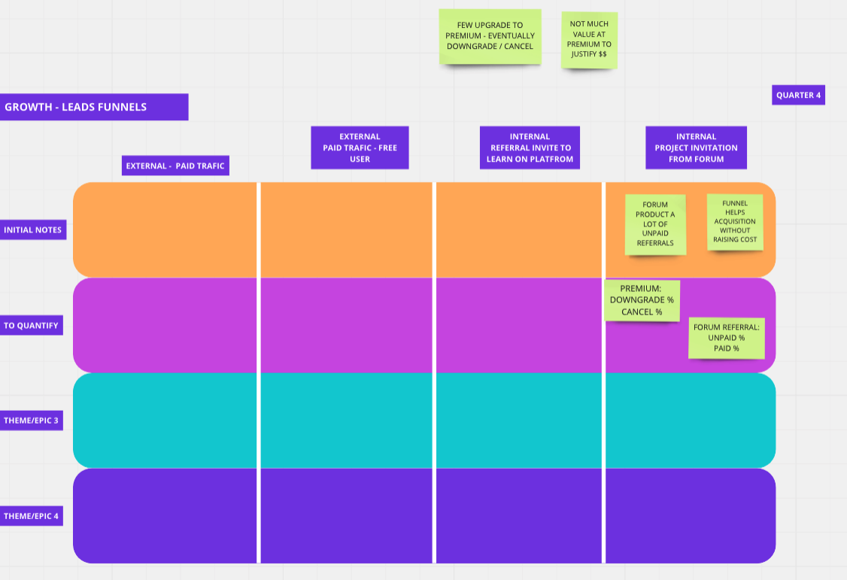
Notes on Input Dataset (repeated in the classroom page)

 | - Only absolute values are provided for each month.

 | - Percent values remain the same month over month and are therefore mentioned only in the first column.

 | - Left indented values sum up to the row above it.

 | - Rows highlighted in yellow are ‘bootstrap rows’. They are only populated for the month of Dec 2018. They are needed to calculate some of the rows for Jan 2019; the first month of the model. For the remaining months, you need to calculate the actual values for the bootstrap rows.

 | - Unless otherwise stated, all percentages are calculated off of the previous level and not the top level.

 | - For any extra steps in a funnel that you would like to add, feel free to make assumptions about numbers.

 | Part I - Evaluate Current Performance
 | This project is about hands-on analysis and evaluation of the monetization performance of a B2B SaaS business.

 | Students will build quantitative models to calculate monetization KPIs.
 | Based on these models, some important questions about current performance will have to be answered.
 | Using these models, students will forecast future revenue and market share.

 | Part II - Identify Growth Opportunities
 | The following key funnels of the end-to-end customer journey will be modeled.
 | Sign-up
 | Become a paid customer
 | Upgrade plan
 | Downgrade plan
 | Cancel account
 | Resubscribe

 | Students will analyze the model and suggest product improvements to grow monetization KPIs. The impact of those improvements on future revenue and market share will be quantified.
 | Students will make data-informed predictions about the company’s future monetization performance.

 | Part III - Explore New Models
 | Students will propose a change to the monetization model, more specifically its pricing scheme, and describe the change in detail.
 | The original model above will be modified to accommodate a different change proposed in pricing.
 | Students will quantify the impact of this change on the business and articulate the pros and cons of new pricing.

